Sheet1

 |  |  | RHINO Global Company |  |  |  |  |  |  |  | RHINO Formsaver Order
 |  |  | 31146 Lake Rd
 |  |  | Cleveland OH 44140
 |  |  | 440-715-0418
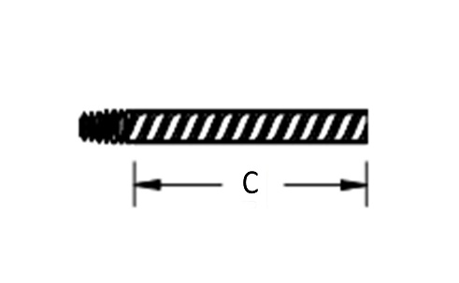
 |  |  | www.rhinoconnections.com
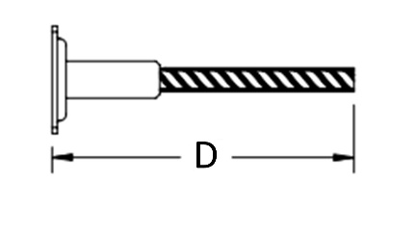
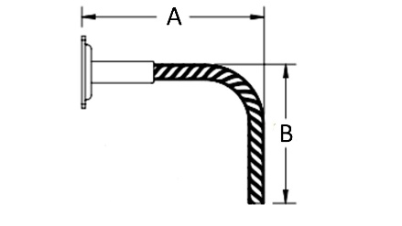
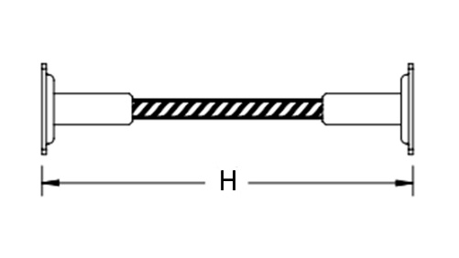
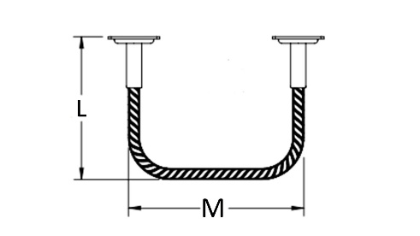
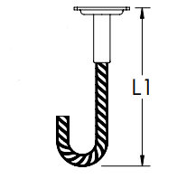

Order Date
Ship-To Date
Po#
Project
Company
Ship To
City/State
Contact
Phone

Qty | Size | Epoxy/ Black | A | B | C | D | L | M | H | Mark | Wt/lbs | Female | Male | Special | Total
 |  |  |  |  |  |  |  |  |  |  |  |  |  |  | $-
 |  |  |  |  |  |  |  |  |  |  |  |  |  |  | $-
 |  |  |  |  |  |  |  |  |  |  |  |  |  |  | $-
 |  |  |  |  |  |  |  |  |  |  |  |  |  |  | $-
 |  |  |  |  |  |  |  |  |  |  |  |  |  |  | $-
 |  |  |  |  |  |  |  |  |  |  |  |  |  |  | $-
 |  |  |  |  |  |  |  |  |  |  |  |  |  |  | $-
 |  |  |  |  |  |  |  |  |  |  |  |  |  |  | $-
 |  |  |  |  |  |  |  |  |  |  |  |  |  |  | $-
 |  |  |  |  |  |  |  |  |  |  |  |  |  |  | $-
 |  |  |  |  |  |  |  |  |  |  |  |  |  |  | $-
 |  |  |  |  |  |  |  |  |  |  |  |  |  |  | $-
 |  |  |  |  |  |  |  |  |  |  |  |  |  |  | $-
 |  |  |  |  |  |  |  |  |  |  |  |  |  |  | $-
 |  |  |  |  |  |  |  |  |  |  |  |  |  |  | $-
 |  |  |  |  |  |  |  |  |  |  |  |  |  |  | $-
 |  |  |  |  |  |  |  |  |  |  |  |  |  |  | $-
 |  |  |  |  |  |  |  |  |  |  |  |  |  |  | $-
 |  |  |  |  |  |  |  |  |  |  |  |  |  |  | $-
 |  |  |  |  |  |  |  |  |  |  |  |  |  |  | $-

 |  |  |  |  |  |  |  |  |  | Total | 0 |  |  | Total | $-

Estimated Lead Time
Estimated Freight

Pricing valid for 30 days

Quoted By: |  |  |  |  |  |  |  |  |  |  |  |  | Date

